Sheet1
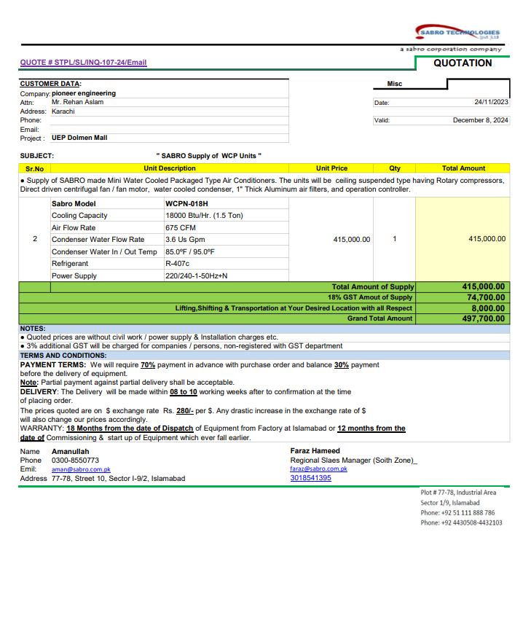
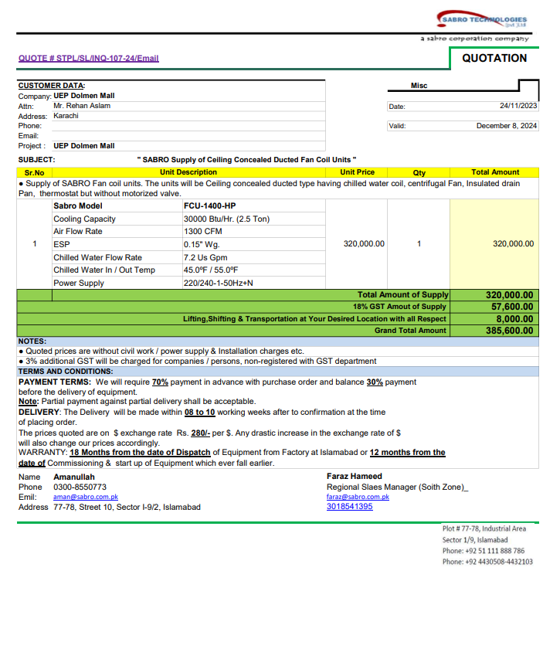
PIONEER SERVICES

M/S SEM Engineers |  |  |  |  |  |  |  | 2024-04-19
Project: UEP 17th Floor Dolmen Kar.
Variation Order No 1

Attn: Mr. Waqas Ahmed

Variation of DFCU & WCPU

S. # | Description | Material Rate | Labour Rate | OPT 27% | Total Rates | Unit | Qty | Amount
1 | Supply and installation of water cooled packege Unit 18000 BTU | 497,700 | 15,000 | 138,429 | 651,129 | No | 1 | 651,129
2 | Supply and installation of ducted Fan Coil Unit 30000 BTU | 385,600 | 15,000 | 108,162 | 508,762 | No | 1 | 508,762
Total Amount Rs. |  |  |  |  |  |  |  | 1,159,891

For PIONEER SERVICES.

